Conversion Rate-Z-Test
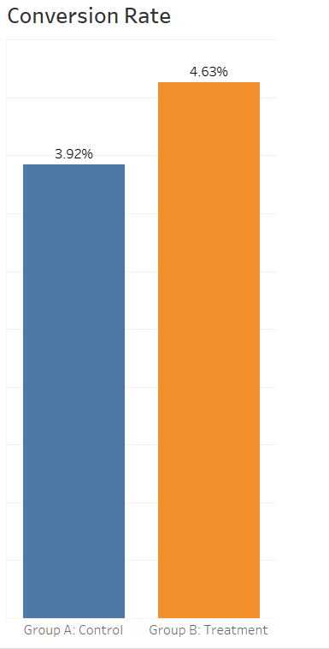
Hypothesis Test of User Conversion Rate ( Z-Test)
Since we are comparing the proportion of conversion rate between two groups, I used Z-Test here.
Null and Alternative Hypothesis
Null Hypothesis (H₀): | There is no Difference in conversion rate between Group A and Group B | H₀: p₁ = p₂
Alternative Hypothesis (H₁): | There is Difference in conversion rate between Group A and Group B | H₁: p₁ ≠ p₂

Summary Statistics | Notation | Group A(Control) | Group B (Treatment)
Sample size | n | 24343 | 24600
Number of converted users | x | 955 | 1139
conversion rate | p^ | 3.92% | 4.63%
Standard error of each Group | SE | 0.00124 | 0.00134
Pooled proportion of success | p- | 0.0428
Difference in conversion rate |  | 0.0071
Total standard error | SE | 0.0018
Degree of freedom | df=n-1 | 48942
Z-score | z | 3.8643
Critical value | z* | 1.96
p-value | P | 0.0001
Confidence interval |  | 0.35% | 1.07%
Hypothesis testing | Notation | Value
Level of significance | α | 0.05
Type of test |  | Two Tailed
Distribution |  | Normal

Conclusion: Since there is difference in conversion rate between Group A and Group B, we REJECT the Null Hypothesis
A 95% confidence interval suggests adifference in conversion rates between the treatment and control groups, ranging from approximately 0.0035to 0.0107. with 95% confidence, we can assert that the actual difference in conversion rate s fall within this interval, the positive values within the confidence interval (0.0035 to 0.0107) indicate that the treatment group likely exibits a higher conversion rate compared to the control group.

Average Amount Spent-T.Test
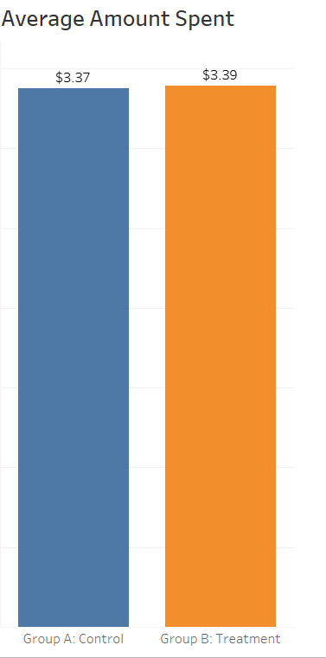
Hypothesis Test of Average Amount Spent (T-Test)
WE are using T-test because we are comparing the means of two groups
Null and Alternative Hypothesis
Null Hypothesis (H₀): | There is No difference in Average Amount spent per user between group A and group B | H₀: x̅ A = x̅ B
Ailternative Hypothesis (H₁): | There is difference in Average Amount spent per user between group A and group B | H1: x̅ A ≠ x̅ B

Summary Statistics | Notation | Group A(Control) | Group B(Treatment)
Sample Size | n | 24343 | 24600
Average Amount Spent | x̅ | $3.37 | $3.39
Standard Deviation | s | 25.94 | 25.41
Standard Error | SE | 0.166 | 0.162
Total Average Spent | x̅ | $3.38
Standard Error | SE | 0.232
Degree of Freedom | df=n-1 | 48942
Mean Difference | x̅1 - x̅2 | 0.016
Critical Value |  | 1.96
Confidence Level | 1-α | 0.95
t value | T | -0.070
p-value | P | 0.944
Confidence Interval |  | -0.439 | 0.471
Hypothesis Testing | Notation | Value
Level of Significance | α | 0.05
Number of Tails |  | 2
Type of Test |  | Type 3,two sample,unequal variance

Conclusion : Since there is no difference in average amount spent per user between group A and Group B, we FAIL to reject the null Hypothesis. Based on the result of the T-test we got the p-value,0.944 hence we fail to reject the null hypothesis.this indicates that there is no statistically significant difference in the average amount spent per user between Group A(Control) and Group B(Treatment).

